1. Title Page
Instacart Basket Analysis Project

Project Name: Instacart Basket Analysis
Date: 12/17/2022
Analyst Name: Dylan Golcher

Contents:
Population Flow
Consistency checks
Wrangling steps
Column derivations
Visualizations
Recommendations

Source: “The Instacart Online Grocery Shopping Dataset 2017”, accessed from https://www.instacart.com/datasets/grocery-shopping-2017 on 11/12/2022

2. Population Flow
Title page

Population flow

Exclusion flag
Condition: max_order < 5
Obervations to be removed: 1,440,295
Final total count of order_products_all: 30,964,564

Orders_products_combined
Orders_products_merged
Orders_products_all

Total: 32,434,489
Total: 32,404,859
Total: 30,964,564

1.) The grey boxes in the first row of the population flow represent the original data sets as they were when you downloaded them. In the Total fields you need to add the count of the rows when you imported the data set into Jupyter.
2.) The second row of boxes (coloured) represents the data sets after you manipulated them, e.g., removed missing values and duplicates. In the Total fields you need to add the count of the rows after conducting these operations. This offers a visual oveview of how the data flows throughout the data consistency checks.
3.) The third row, where also the arrows are coloured, represents the merges you performed between the datasets. In the Total fields you need to add the count of the rows in the merged datasets, so that you end up with the final dataset (in the red box). Keep in mind the final dataset should be without exclusions (based on the exclusion flag).

3. Consistency checks
 |  |  |  | Title page
Consistency checks

Dataset | Missing values | Missing values treatment | Duplicates
orders | days_since_prior_order column has 206,209 missing values | The missing values in this column were the initial orders for each customer. Rather than remove or impute values, a new column was created, 'first_purchase', to account for the missing rows. Each missing value in 'days_since_prior_order' was assigned a corresponding boolean value in 'first_purchase' to indicate an initial purchase. | No duplicates found
products | product_name column has 16 missing values | Created a new dataframe that excluded the 16 missing values | 5 duplicated records
orders_products_prior | None | N/A | No duplicates found
customers | first_name column has 11,259 missing values | The missing values were customer first names and were deemed to be inconsequential to the analysis; therefore, they were left as 'NaN' values in this column | No duplicates found
departments | There is a column titled 'Missing', but no other missing values were found. | N/A | No duplicates found

4. Wrangling steps
 |  |  |  | Title page
Wrangling steps

Columns dropped | Columns renamed | Columns' type changed | Comment/Reason
eval_set |  |  | Column is extraneous and does not meaningfully contribute to the analysis

 | order_dow |  | Changed for clarity to 'orders_day_of_week'

 |  | user_id | Changed to a string value as the number for 'user_id' is strictly for identification purposes and does not need to be calculable as an integer

 |  | order_hour_of_day | Changed to int32 to save memory

unnamed: 0 |  |  | An automatically created column deemed unnecessary for analysis

 |  | first_name | Mixed data types found within the column. All values changed to string for uniformity

 | First Name |  | Columns were renamed for clarity, uniformity, and to address spelling mistakes
 | Surnam
 | Gender
 | STATE
 | Age
 | n_dependants
 | fam_status
 | martial_status

Note: Data in the final dataset of this project contains PII in the form of names, genders, and ages. This information is fictitious, as this project was for learning purposes only. As such, the data was not removed; however, in a real world scenario, senior staff would be consulted before any data analysis was performed and the appropriate steps would be taken to protect the identities of any individuals included.

5. Column derivations
 |  |  |  | Title page

Column derivations and aggregations

In this tab you should add tables below that the frequences of flags/label variables that you produced after deriving them. NB: don't do this for continuous variables, only for flags.
Dataset | New column | Column/s it was derived from | Conditions
orders_products_merged | prod_price_range | prices | If price > 15: 'High-range product' / If price <= 15 & > 5: 'Mid-range product' / If price <= 5: 'Low-range product
 | busiest_days | orders_day_of_week | If value == 0: 'Busiest day' / elif value == 4: 'Least busy' / else 'Regularly busy'
 | busiest_period_of_day | order_hour_of_day | If value in [9,10,11,12,13,14,15,16]: 'Most orders' / elif value in [7,8,17,18,19,20,21,22]: 'Average orders' / elif value in [0,1,2,3,4,5,6,23]: 'Fewest orders'
orders_products_merged_update | max_order | user_id, order_number | Use numpy function to find max orders per user_id
 | loyalty_flag | max_order | If max_order > 40: 'Loyal customer' / If max_order <= 40 & > 10: 'Regular customer' / If max_order <= 10: 'New customer'
 | avg_price | user_id, prices | Use numpy function to find average price spent per user_id
 | spending_flag | spending_flag | If avg_price >= 10: 'High spender' / If avg_price < 10: 'Low spender'
 | median_dspo | user_id, days_since_prior_order | Use numpy function to find median days since prior order per user_id
 | order_frequency_flag | median_dspo | If median_dspo > 20: 'Non-frequent customer' / If median_dspo > 10 & <= 20: 'Regular customer' / If median_dspo <= 10: 'Frequent customer'
df_final3 | region | state | If value in ‘state’ == Maine, New Hampshire, Vermont, Massachusetts, Rhode Island, Connecticut, New York, Pennsylvania, New Jersey: ‘Northeast’ / elif value in ‘state’ == Wisconsin, Michigan, Illinois, Indiana, Ohio, North Dakota, South Dakota, Nebraska, Kansas, Minnesota, Iowa, Missouri: ‘Midwest’ / elif value in ‘state’ == Delaware, Maryland, District of Columbia, Virginia, West Virginia, North Carolina, South Carolina, Georgia, Florida, Kentucky, Tennessee, Mississippi, Alabama, Oklahoma, Texas, Arkansas, Lousiana: ‘South’ / else: ‘West’
 | activity_flag | max_order | If max_order >= 5: 'normal' / If max_order < 5: 'low'
df_final3/df_normal | age_grouping | age | Using .loc function: if ‘age’ >= 18 & ‘age’ <= 35: ‘Young Adult’ / if ‘age’ >= 36 & ‘age’ <= 65: ‘Middle-aged Adult’ / if age >= 66: ‘Senior’
 | income_grouping | income | Using.loc function: if ‘income’ >= 25903 & ‘income’ <= 50000: ‘Low Income’ / if ‘income’ >= 50001 & ‘income’ <= 100000: ‘Middle Income’ / if 'income’ >= 100001: ‘High Income'
 | pet_supply_shopper | department_id | If value in ‘department_id’ == 8: ‘Pet Supply Shopper’ / else: ‘Non-Pet Supply Shopper’
 | family_status | no_of_dependents, marital_status | Using .loc function: if ‘no_of dependents’ >=1 & ‘marital_status’ == ‘married’: ‘family with children’ / if ‘no_of_dependents’ >= 1 & ‘marital_status’ == ‘single’: ‘single parent with children’ / if ‘no_of_dependents’ >=1 & ‘marital_status’ == ‘divorced/widowed’: ‘single parent with children’ / if ‘no_of_dependents’ == 0: ‘single or married without children’
df_final_instacart | department | department_id | Assigned data dictionary to departments_wrangled dataset

6. Visualizations
 |  |  |  |  | Title page

Visualizations

In this tab you should include all the visualtions from Exercises 4.9 and 4.10, alongside the questions from the project brief that they answer. Include any commentary on the relationship between different variables.

The sales team needs to know what the busiest days of the week and hours of the day are (i.e., the days and times with the most orders) in order to schedule ads at times when there are fewer orders.
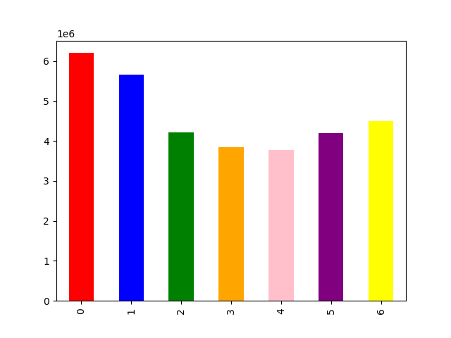


 | Saturday is represented by the number zero and is the busiest day of the week in terms of orders and is followed closely by Sunday |  |  | The histogram shows the hours of the day from 0 to 23 (12AM - 11PM), with most orders occuring between 10 and 16 (10AM - 4PM). Orders begin increasing around 7AM and begin to taper off around 17 (5PM).

They also want to know whether there are particular times of the day when people spend the most money, as this might inform the type of products they advertise at these times.

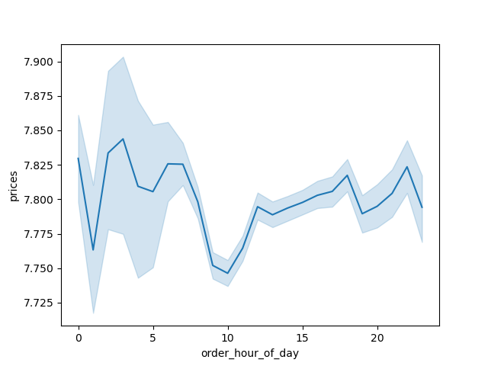
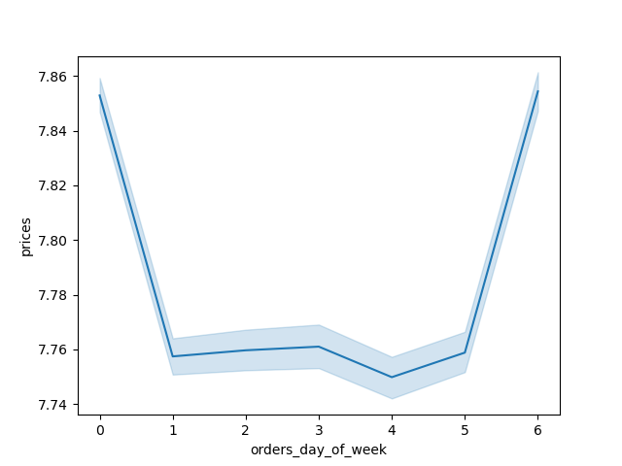

 |  |  |  |  |  | Unexpectedly, the highest amount of spending by price occurs in the early morning hours between 2AM - 4AM before it tapers off and begin to increase again around noon. Further investigation is needed to determine the reasoning behind this anomaly. A closer look at the kinds of products being purchased during these hours could provide useful insights.

 |  |  |  |  |  | In regards to day of the week, people spend the most on Saturdays and Fridays, with mid-week being the lowest.

What’s the distribution among users in regards to their brand loyalty
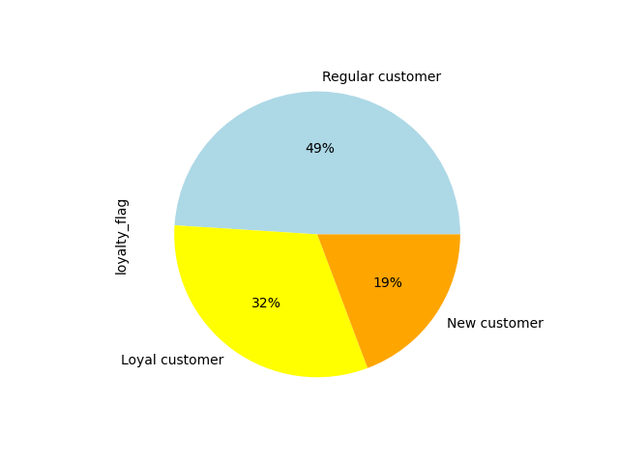

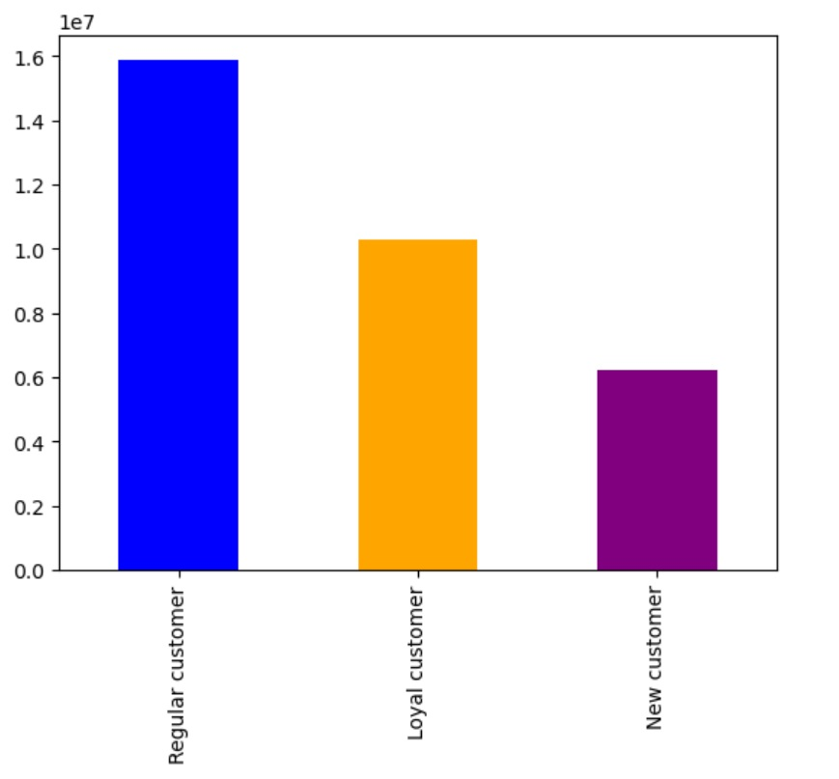

 |  |  |  |  |  |  | Two crosstabulations, here, compare loyalty status with order frequency and spending. Unsurprisingly, loyal customers are the most frequent customers. However, when it comes to spending, regular customers outspend loyal customers.

 | Nearly half of Instacart shoppers are regular customers, with order totals between 10 and 40. About 1 in 3 shoppers are loyal customers, with order totals over 40, and roughly 1 in 5 shoppers are new customers, with order totals of less than 10.

Are there differences in ordering habits based on a customer’s region?

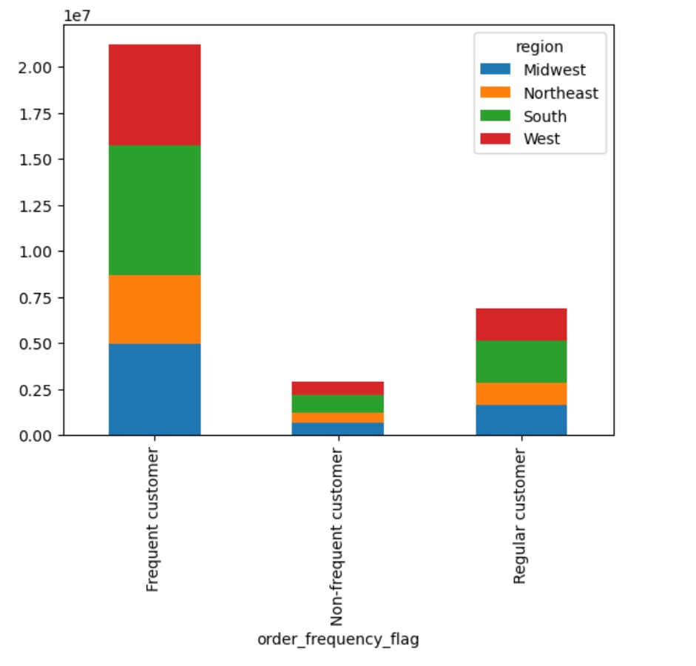

 |  | The South and West regions have the highest amount of frequent customers, which is also the case with regular customers. For non-frequent customers, the South again has the highest amount, while the other three regions are similar in total number.

Is there a connection between age and family status in terms of ordering habits?

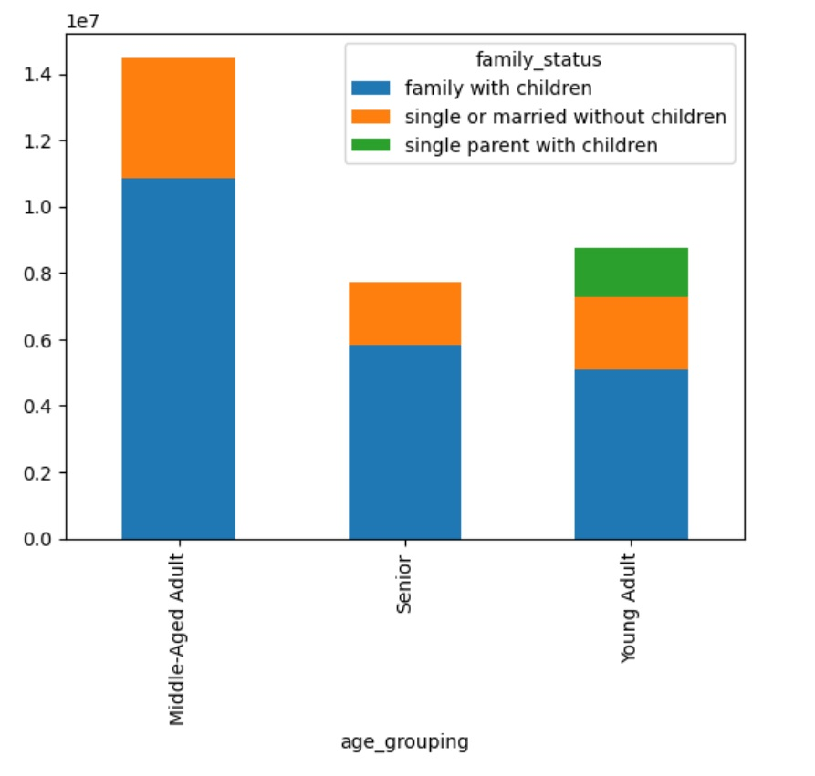
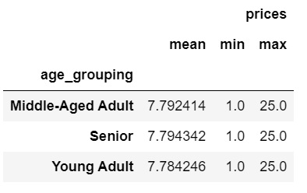
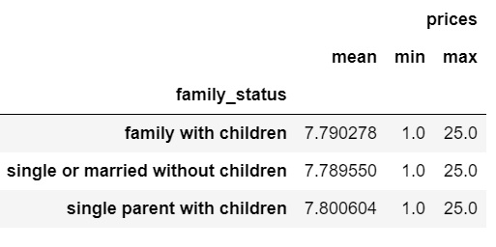

 |  | Average expenditure compared between age groups and family groups.

 |  | Middle-aged adults, who make up the largest age group of shoppers, are mainly part of families with children. Similarly, seniors and young adults are mainly part of families, while young adults follow the same trend, but with more diversity in family status.

Additional visualizations to help answer key business questions: Income

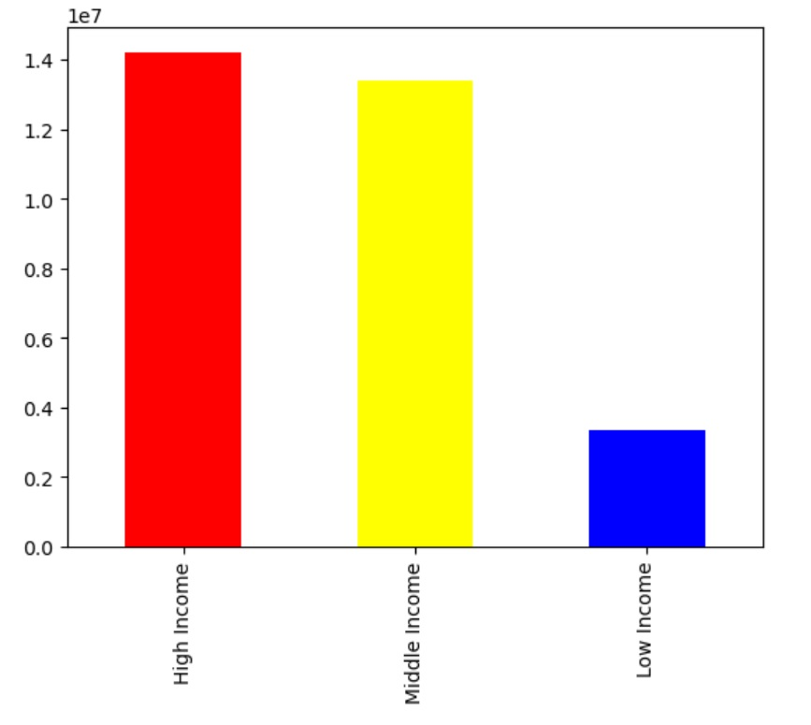
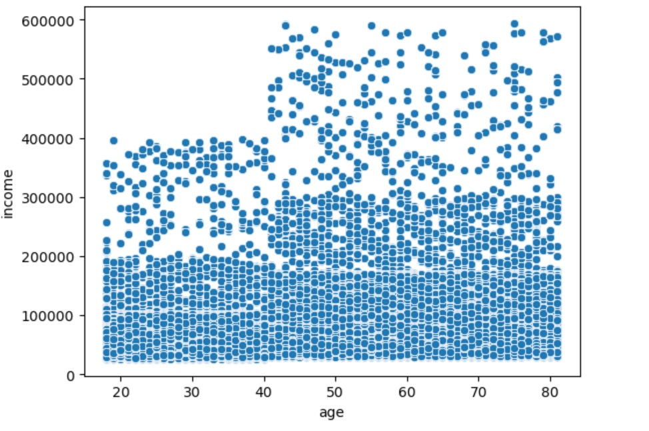

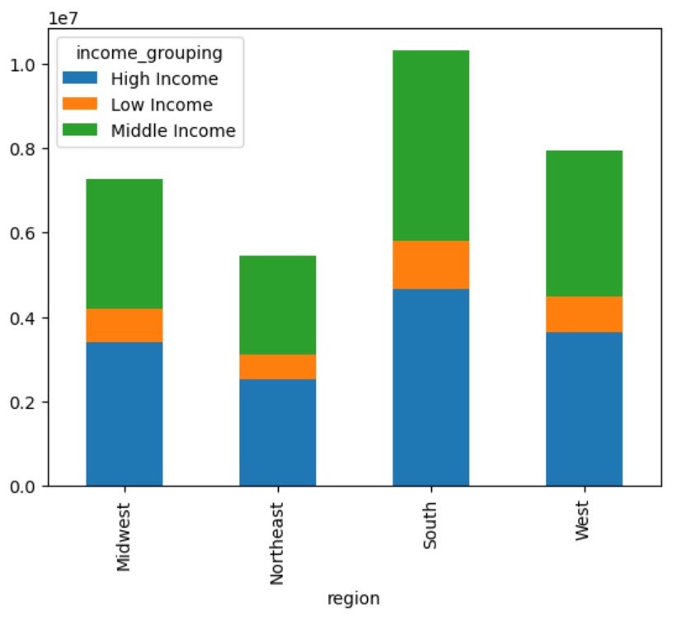

 |  |  | Most Instacart shoppers are high income earners, with income increasing after age 40. The top earners are between the ages of 40 and 80. Additionally, when looking at regions, the South and West have the highest number of high income earners.

Additional visualizations to help answer key business questions: Products/Departments

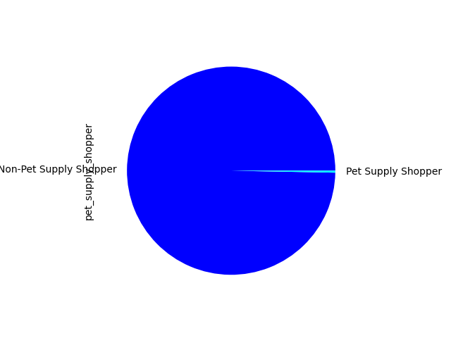

 |  |  | Looking at a single product column, Pet-Supply Shoppers, it is clear that most customers do not purchase pet supplies on Instacart. Advertising dollars are best used elsewhere.

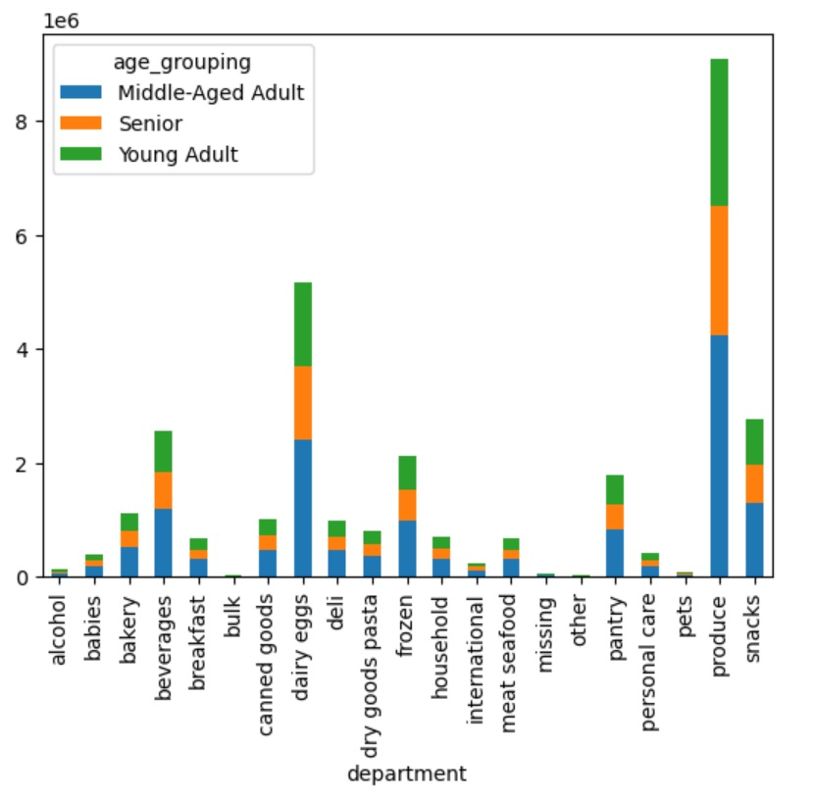
 |  |  | When considering the breakdown of what products are being purchased by the different age groupings, produce stands out as the most popular department among all age groups, followed by dairy/eggs, snacks, and beverages. Middle aged adults are the biggest spenders across the board

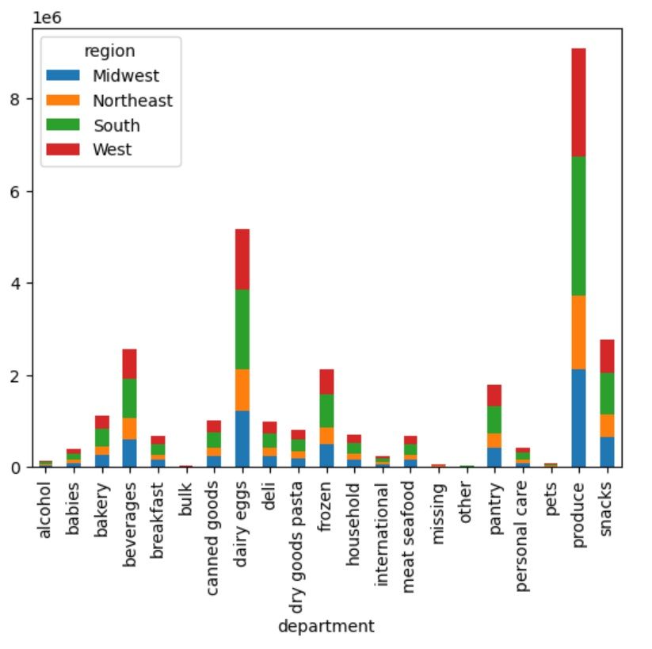

 |  |  | When considering the breakdown of what products are being purchased by region, the West and South again are the highest buyers of all products.

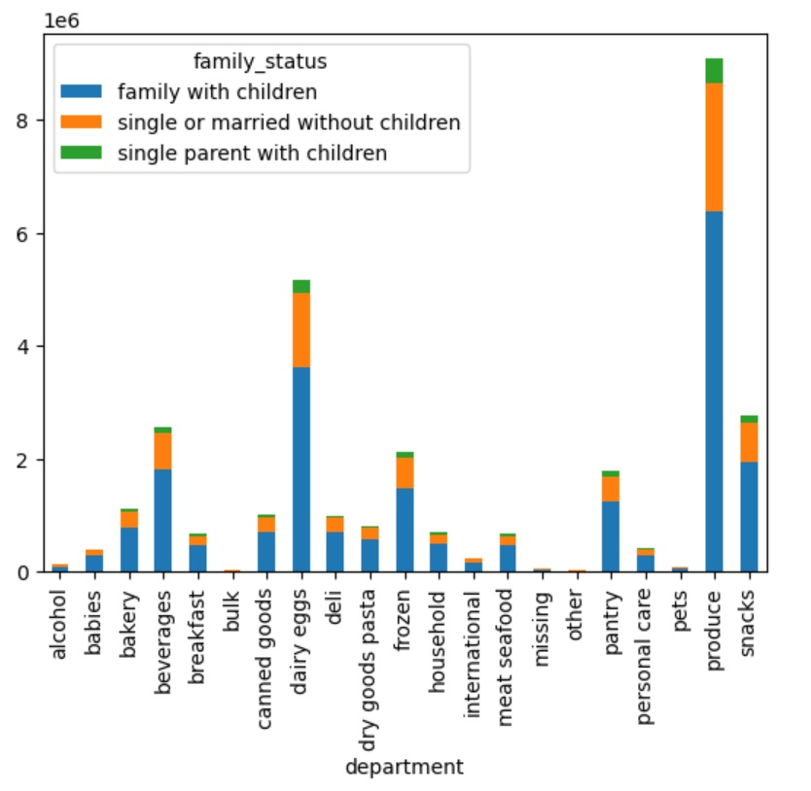

 |  |  | When considering the breakdown of products purchased by family status, most purchases are from families with children, followed by single or married people without children, and finally by single parents with children.

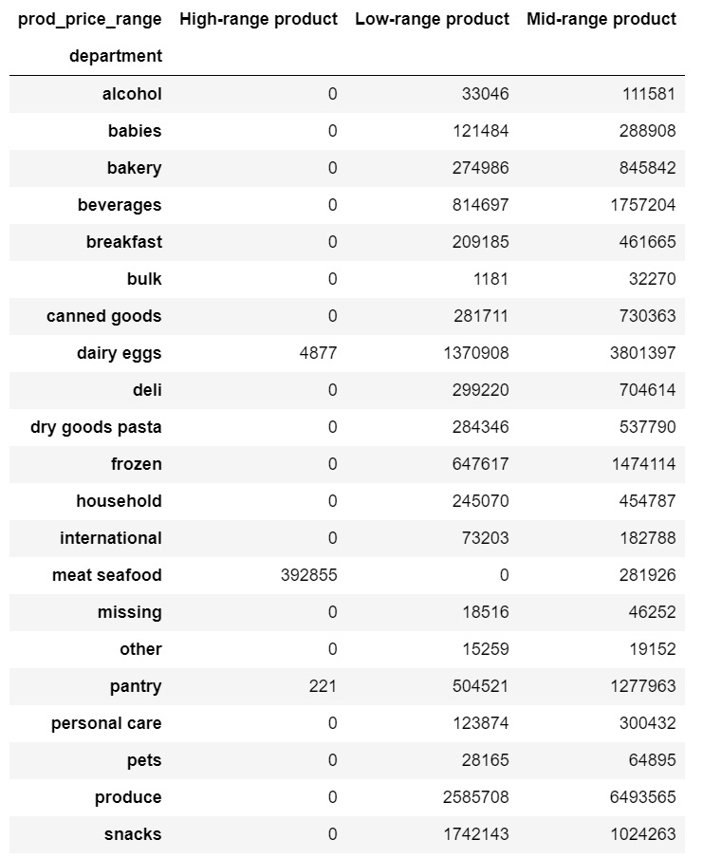
 |  |  | A crosstabulation between product price ranges and the various departments shows that the highest range products are in the meat/seafood and dairy/eggs departments

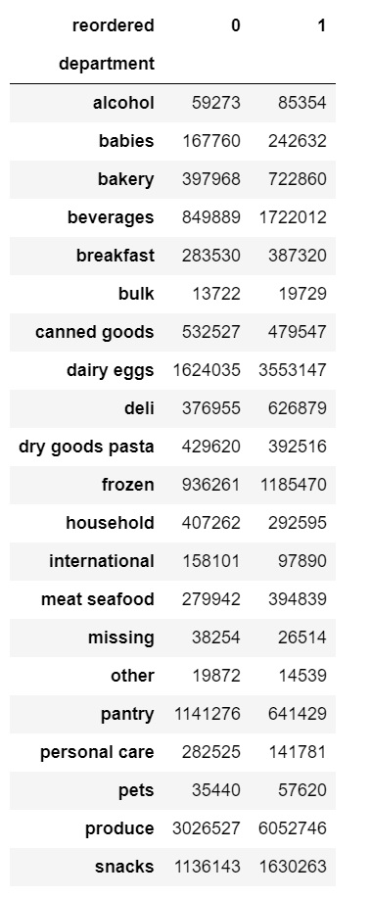

 |  |  | A crosstabulation between departments and reorders. 0 represents initial orders, while 1 represents reorders. The highest number of reorders can be seen in the produce and dairy/eggs departments, respectively. Beverages, snacks, and frozen products are also popular reorders.

7. Recommendations
 |  |  | Title page

Recommendations

In this tab you should include any recommendations you would made to Instcart in terms of their marketing strategy based on the questions posed in the brief. Every key question has been covered in the Tasks of the Exercises - here you need to add an item - a visualisation or table/crosstable that is showing the answer in the data, acompanied by a comment from you. Please, list the questions below and add the answer underneath.

Visualization | Question | Answer
See Visualization | The sales team needs to know what the busiest days of the week and hours of the day are (i.e., the days and times with the most orders) in order to schedule ads at times when there are fewer orders. | Saturday is the busiest day of the week, followed by Sunday and then Friday. The busiest hours of the day are between 10AM - 4PM. Orders begin increasing around 7AM and begin to taper off around 5PM. The optimal time to schedule ads where people are awake and most likely to see them is in the morning hours (around 7AM) when orders start getting placed. Tuesday and Wednesday are the slowest days of the week, so mornings during these days may be the most suitable time to run the ads.
See Visualization | They also want to know whether there are particular times of the day when people spend the most money, as this might inform the type of products they advertise at these times. | The highest amount of spending by price occurs in the early morning hours between 2AM - 4AM before it tapers off and begins to increase again around noon. The spending during these hours could be from younger individuals or couples with babies or young children, so any products that these type of individuals would be likely to purchase should be at the forefront of advertising efforts.
See Visualization | Instacart has a lot of products with different price tags. Marketing and sales want to use simpler price range groupings to help direct their efforts. | To simplify pricing for products, a three level price scale was created: low-range products, mid-range products, and high-range products. Dollar amounts for low-range are $5 or less, amounts for mid-range are between $5 and $15, and amounts for high-range are greater than $15. The highest-range products are in the meat/seafood department and the eggs/dairy department.
See Visualization | Are there certain types of products that are more popular than others? The marketing and sales teams want to know which departments have the highest frequency of product orders. | The highest number of reorders can be seen in the produce and dairy/eggs departments, respectively. Beverages, snacks, and frozen products are also popular reorders. These departments should be the main focus of the marketing and sales department, not only for their overall order totals, but also because of their ability to generate revenue. Eggs/dairy, for instance, is a high-range product (as identified in the previous question).
See Visualization | What’s the distribution among users in regards to their brand loyalty (i.e., how often do they return to Instacart)? | Nearly half of Instacart shoppers are regular customers, with order totals between 10 and 40. About 1 in 3 shoppers are loyal customers, with order totals over 40, and roughly 1 in 5 shoppers are new customers, with order totals of less than 10. Steps should be taken to understand how to get regular customers to become loyal customers. One possible method would be to incentivize loyalty customers so regular customers are encouraged to spent more. New customer spending habits should also be closely monitored
See Visualization | Are there differences in ordering habits based on a customer’s loyalty status? | As expected, loyal customers are the most frequent customers placing orders. However, when it comes to spending, there are more high spending regular customers than loyalty customers. If more regular customers could become loyal customers, there would be a high increase in profits, as previously mentioned. These customers should be incentivized.
See Visualization 1 | Are there differences in ordering habits based on a customer’s region? | The South and West regions have the highest number of customers among any order frequency followed by the Midwest and Northeast, respectively. The totals are much closer among non-frequent customers, however, but the Southern region still maintains the most customers. In regards to purchases by department based on region, the South again has the most amount of customers in almost every department. Produce and dairy/eggs are the biggest sellers.
See Visualization 2
See Visualization 1 | Is there a connection between age and family status in terms of ordering habits? | Middle-aged adults, who make up the largest age group of shoppers, are mainly part of families with children. Similarly, seniors and young adults are mainly part of families, while young adults follow the same trend, but with more diversity in family status. When it comes to average expenditure by age group, seniors spend the most followed by middle-aged adults and young adults, respectively. When it comes to average expenditure by family status, single parents with children spend the most, followed by families with children and single individuals or married couples without children, respectively.
See Visualization 2
 | What different classifications does the demographic information suggest? Age? Income? Certain types of goods? Family status? | When taking the demographic data and combining it with data related to spending and spending habits, inferences can be made to determine how, when, and where customers are spending with Instacart. As an example, older individuals tend to have higher incomes than younger individuals, so it makes sense that they are the biggest spenders. While outside the scope of this analysis, it is also clear that the Southern region is home to a growing number of older individuals, so when spending habits and location are considered as they relate to age, patterns emerge in the data; older individuals from the South are among the highest spending customers. In addition, older individuals tend to have families with children, so when taking into account family status and spending, there is another connection that ties back to age and income.
 | What differences can you find in ordering habits of different customer profiles? Consider the price of orders, the frequency of orders, the products customers are ordering, and anything else you can think of | As previously mentioned, there is a positive correlation between older individuals, who have higher incomes, and spending habits with Instacart. After age 40, the data shows a large increase in income. As these individuals, both middle-aged and senior, can afford to spend more, they are more likely to be the most frequent shoppers. While the data shows that seniors alone are not the most loyal customers, they do have the highest average expenditure among all the age groups. Middle-aged individuals alone are the most loyal and frequent customers. Outside of age and income, family status is another strong indicator of spending. Families with children make up the bulk of orders, which makes sense, as they have more people to feed. Additionally, in regards to time and date, it is clear that most people shop on weekends and during the late morning, early afternoon hours, when they have breaks or time off from work. When accounting for all of these variables together, we can begin to understand more about how to advertise and market to our customers.

